Sheet2
https://blog.csdn.net/Luckiers/article/details/123776771

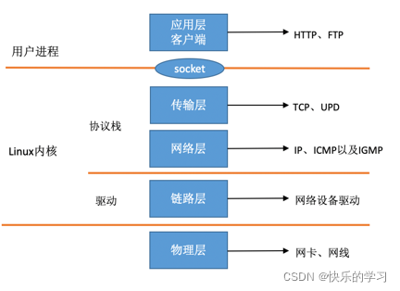

 | https://m.imooc.com/article/33614

1、网络子系统的初始化

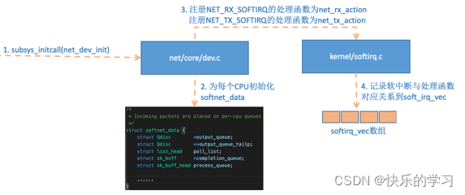

2、协议栈的注册

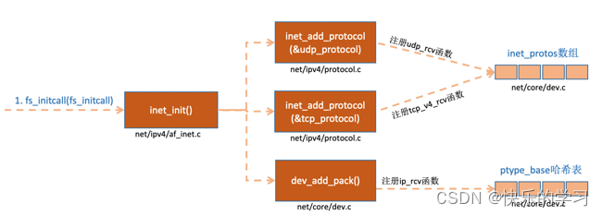

3、网卡驱动的初始化

4、启动网卡

接收和传输网络数据

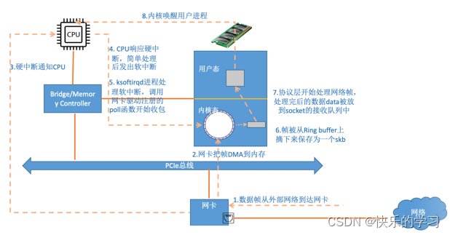

硬中断

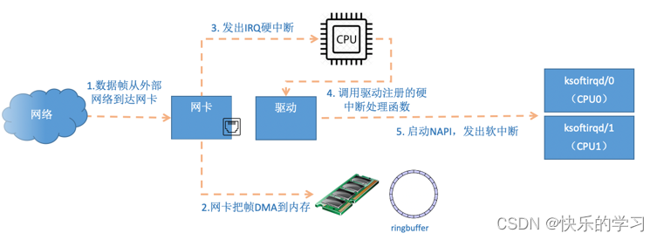

ksoftirq内核线程处理软中断

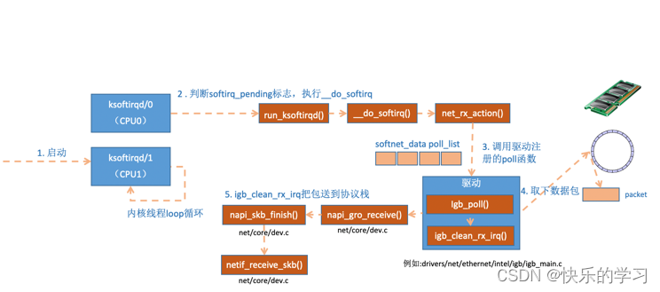

协议栈的处理过程

总结

接收数据前准备工作：
1、创建ksoftirqd线程，为它设置好它自己的线程函数，后面就指望着它来处理软中断；
2、协议栈注册，linux要实现许多协议，比如arp，icmp，ip，udp，tcp，每一个协议都会将自己的处理函数注册一下，方便包来了迅速找到对应的处理函数；
3、网卡驱动初始化，每个驱动都有一个初始化函数，内核会让驱动也初始化一下。在这个初始化过程中，把自己的DMA准备好，把NAPI的poll函数地址告诉内核；
4、启动网卡，分配RX，TX队列，注册中断对应的处理函数；
以上是内核准备收包之前的重要工作，当上面都ready之后，就可以打开硬中断，等待数据包的到来了。

数据接收：
1、网卡将数据帧DMA到内存的RingBuffer中，然后向CPU发起中断通知；
2、CPU响应中断请求，调用网卡启动时注册的中断处理函数；
3、中断处理函数发起软中断请求；
4、内核线程ksoftirqd线程发现有软中断请求到来，先关闭硬中断；
5、ksoftirqd线程开始调用驱动的poll函数收包；
5、poll函数将受到的包送到协议栈注册的ip_rcv函数中；
6、ip_rcv函数再讲包送到upd_rcv函数中（对于tcp包就送到tcp_rcv）。

https://blog.csdn.net/Luckiers/article/details/123776771

Sheet3
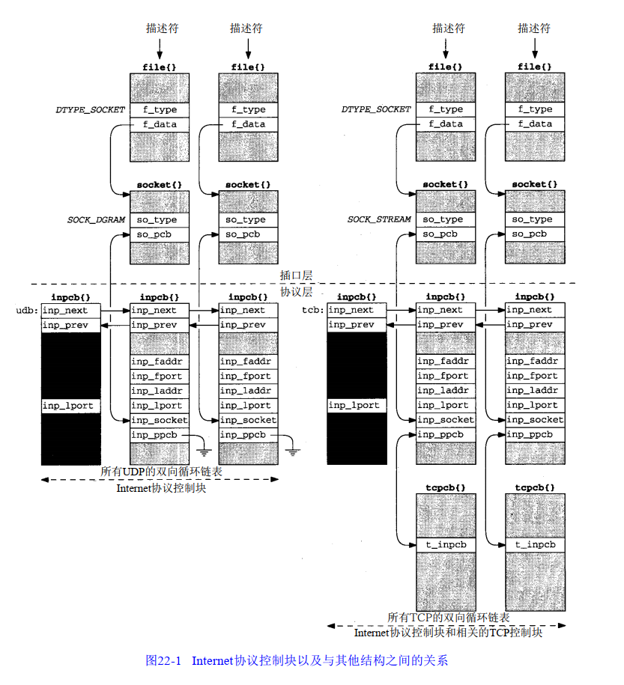

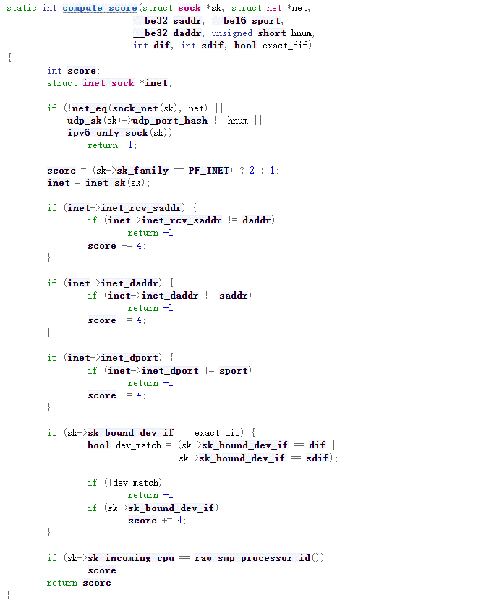

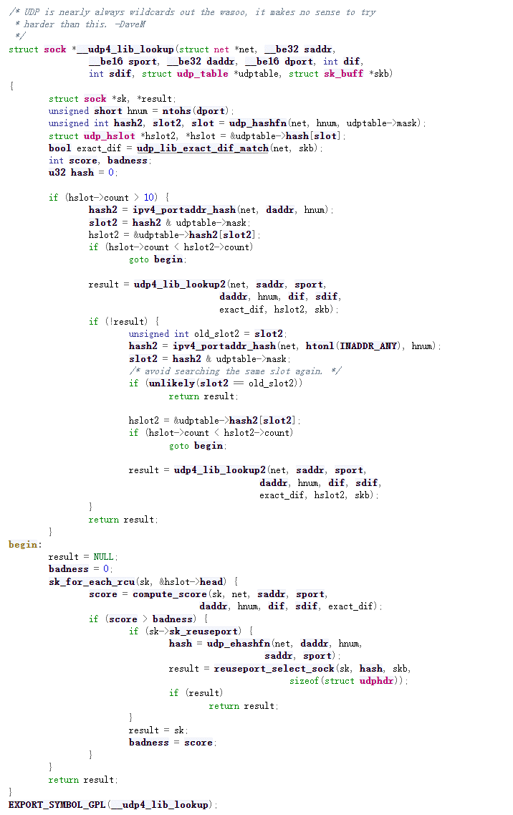

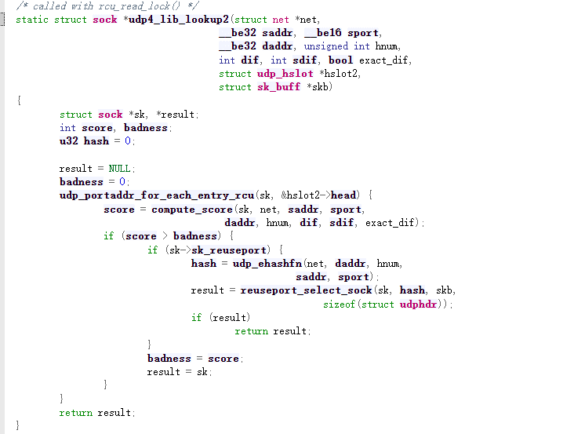

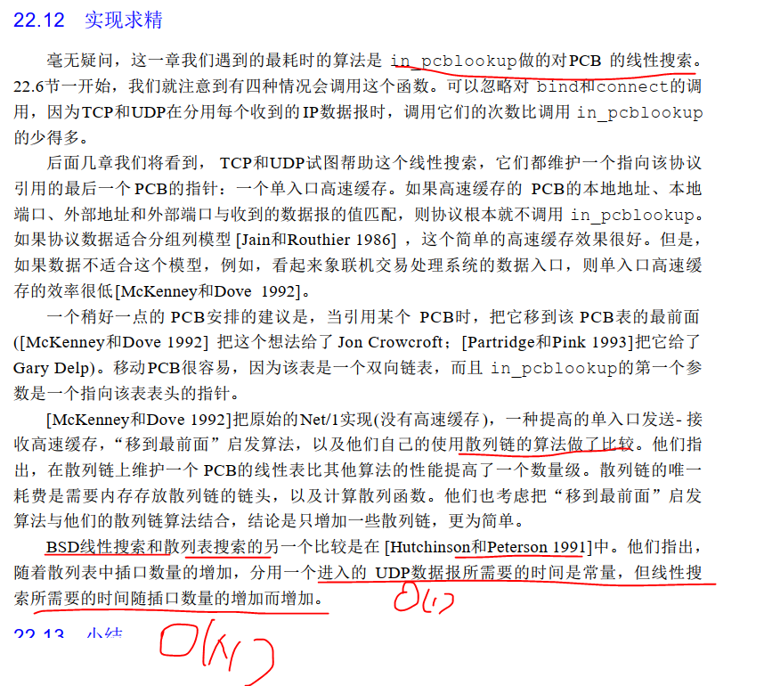

Sheet4
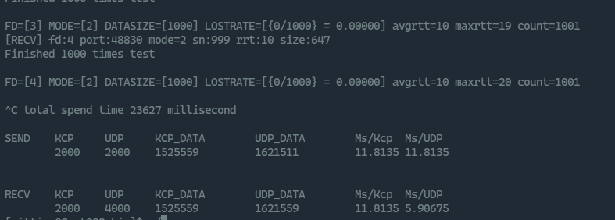
SEND KCP UDP KCP_DATA UDP_DATA
1000 1000 755285 803261
RECV KCP UDP KCP_DATA UDP_DATA
1000 5830 755285 16449725543135

SEND KCP UDP KCP_DATA UDP_DATA
1000 2999 1762612 1858564
RECV KCP UDP KCP_DATA UDP_DATA
1000 7143 1762612 13499084066797

